Visuals
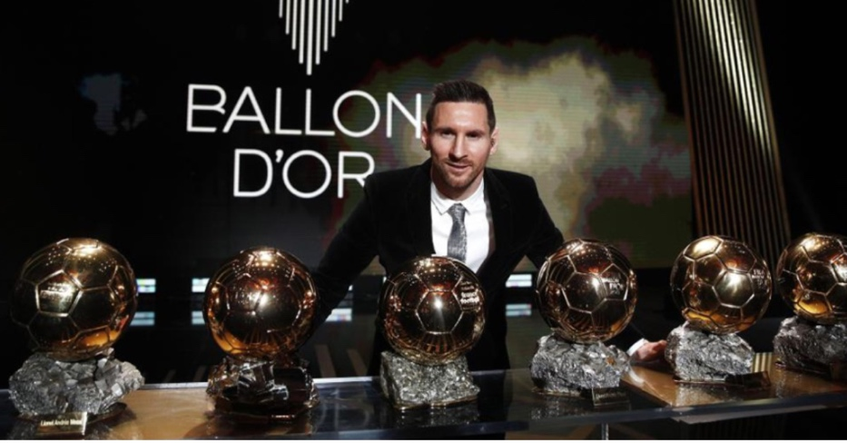
DATASET - https://www.kaggle.com/datasets/azminetoushikwasi/-lionel-messi-all-club-goals

Home is where the Heart is
 | Total
A | 275
H | 410
Best Friends :)
 | Count of Type
Andres Iniesta | 29
Dani Alves | 34
Luis Suarez | 39
Pedro | 42
Xavi | 48
Club Goal stats of Lionel Messi as of 8/6/2022 |  |  | Home vs Away Goals | Top 5 Assisters to His Goals

441 Matches
Wiins | 374
Draws | 46
Defeats | 21
One footed Player? Maybe.. But it's the best in the world.
Quick Stats:
A Winning Player
 | Total
Header | 24
Direct free kick | 50
Right-footed shot | 81
Penalty | 84
Left-footed shot | 424
Matches | 441
Goals | 686
Wins | 374
Draws | 46
Defeats | 21
Game winning goals | 184

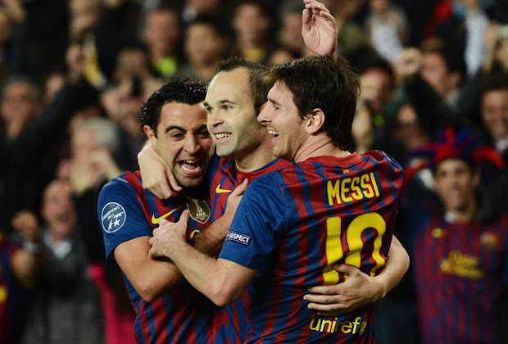

Favorite Positions to Score
 | Total
AM | 11
CF | 309
LW | 1
RW | 314
SS | 50
40 Goals a season is considered world-class |  | World Record 🥶
Goals per Season
 | Total
04/05 | 1
05/06 | 8
06/07 | 16
07/08 | 16
08/09 | 38
09/10 | 47
10/11 | 53
11/12 | 73
12/13 | 60
13/14 | 41
14/15 | 58
15/16 | 41
16/17 | 54
17/18 | 45
18/19 | 51
19/20 | 31
20/21 | 38
21/22 | 14
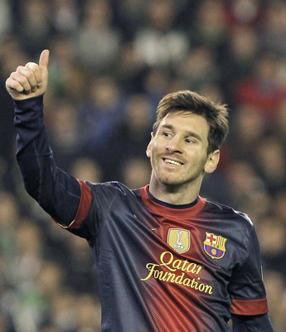

Favorite Victims
 | Total
FC Nantes | 1
Athletic Bilbao | 8
Santos FC | 2
Sevilla FC | 30
Clermont Foot | 2
Montpellier | 2
Real Madrid | 6
Arsenal FC | 9
Sevilla FC | 2
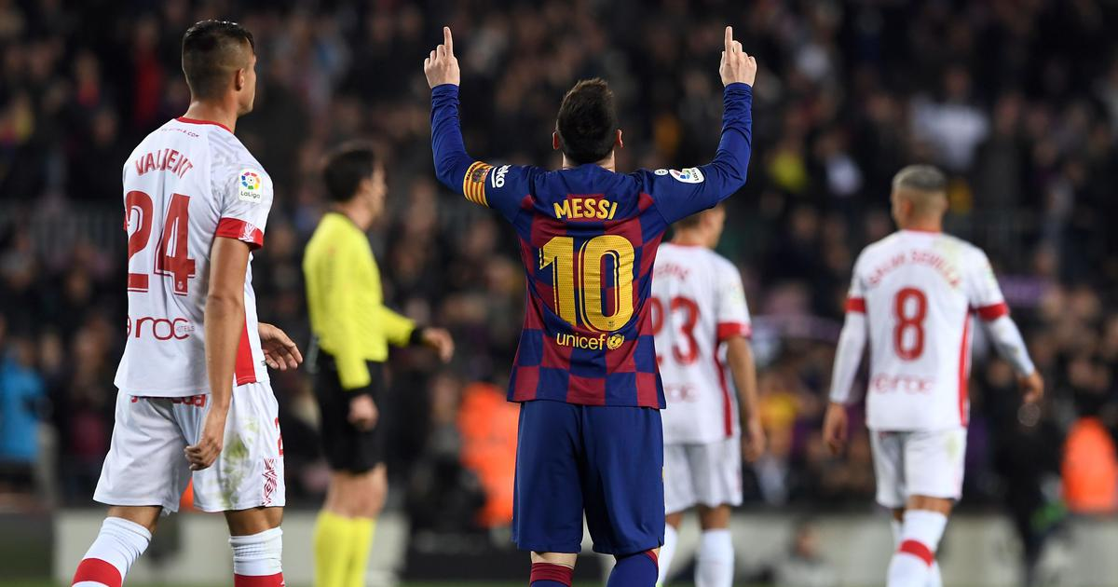

The best player in the most popular sport in the world

Best Position
Row Labels | Count of Type
AM | 11
CF | 309
Favorite Position to Score
LW | 1
RW | 314
SS | 50
Grand Total | 685

Home vs Away
Row Labels | Count of Type
A | 275
H | 410
Grand Total | 685

Home is where the Heart is

Best Friend
Row Labels | Count of Type | Row Labels | Count of Type
Andres Iniesta | 39 | Andres Iniesta | 29
Dani Alves | 42 | Dani Alves | 34
Luis Suarez | 48 | Luis Suarez | 39
Pedro | 29 | Pedro | 42
Xavi | 34 | Xavi | 48
(blank) | 210
Grand Total | 402

Best Friends :)

Favorite Victim
Row Labels | Count of Type
Trophée des Champions | 1
FC Nantes | 1
Copa del Rey | 8
Athletic Bilbao | 8
FIFA Club World Cup | 2
Santos FC | 2
LaLiga | 30
Sevilla FC | 30
Ligue 1 | 4
Clermont Foot | 2
Montpellier | 2
Supercopa | 6
Real Madrid | 6
UEFA Champions League | 9
Arsenal FC | 9
UEFA Super Cup | 2
Sevilla FC | 2
Grand Total | 62

Favorite Victims

Favorite Competition
Row Labels | Count of Type
Trophée des Champions | 1
Copa del Rey | 56
FIFA Club World Cup | 5
LaLiga | 473
Ligue 1 | 8
Supercopa | 14
UEFA Champions League | 125
UEFA Super Cup | 3
Grand Total | 685

Favorite kind of goal
Row Labels | Count of Type
Header | 24
Direct free kick | 50
Right-footed shot | 81
Penalty | 84
Left-footed shot | 424
Grand Total | 663

A short left-footed player

